35
Problem |  | Solution |  |  | NoVowels | AllVowels
Names |  | No Vowel | All Vowels | Easy Sunday Excel Challenge | 3 | 2
Blyth |  | 3 | 2 | ⭐Count the words with No Vowels and All Vowels
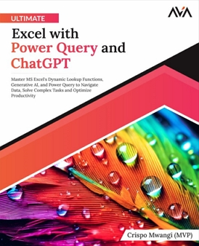
Help
Gym
Sequoia |  |  |  |  | NoVowels | AllVowels
Routers |  |  |  |  | 3 | 2
Gwyn
Package
Abstemious

 | To Support the Challenges
 |  | Buy the Book

